DASHBOARD
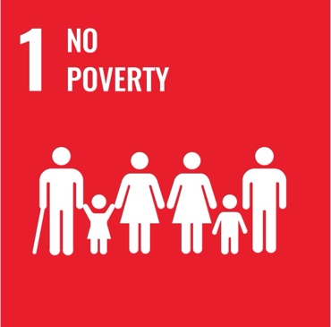
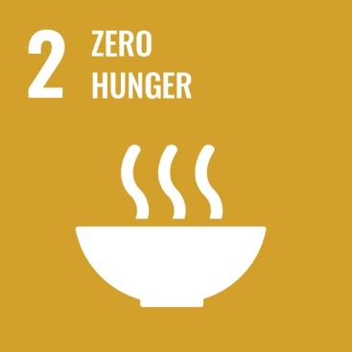


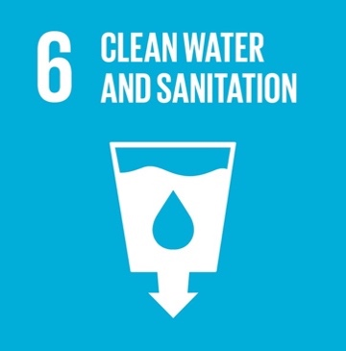



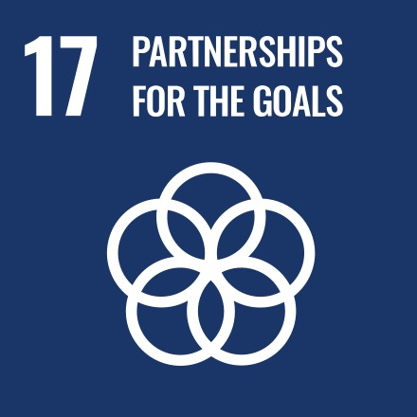

INDICATORS - COUNTRY WISE RANKING (BRICS)

 | Total
Carbon dioxide emissions from fuel combustion (millions of tonnes) | 100
Level of water stress: freshwater withdrawal as a proportion of available freshwater resources (%) | 3
Neonatal mortality rate (deaths per 1,000 live births) | 6
Number of people affected by disaster (number) | 59
Primary government expenditures as a proportion of original approved budget (%) | 21
Proportion of seats held by women in national parliaments (% of total number of seats) | 42
Total official development assistance (gross disbursement) for technical cooperation (millions of 2021 United States dollars) | 37

Pivot Table
GeoAreaName | China

Row Labels | RANKING
Carbon dioxide emissions from fuel combustion (millions of tonnes) | 100
Level of water stress: freshwater withdrawal as a proportion of available freshwater resources (%) | 3
Neonatal mortality rate (deaths per 1,000 live births) | 6
Number of people affected by disaster (number) | 59
Primary government expenditures as a proportion of original approved budget (%) | 21
Proportion of seats held by women in national parliaments (% of total number of seats) | 42
Total official development assistance (gross disbursement) for technical cooperation (millions of 2021 United States dollars) | 37

INDICATORS -VCOUNTRY WISE RANKING

